FishBoneDiagram
Read Me First
Created By: | Siddhesh Otari
Created For: | INFO 8136 Case Study 1 Plan a Project

 |  | Metric | Scope | Parameter | Example
 |  | Interaction Start Date | The date when the parts inspection begins | Date | If the inspection process for a specific part begins on February 26, 2024, the Interaction Start Date is 2024-02-26
 |  | Interaction Start Time | The time when the parts inspection begins | Time | If the inspection process starts at 10:00 AM, the Interaction Start Time is 10:00 AM.
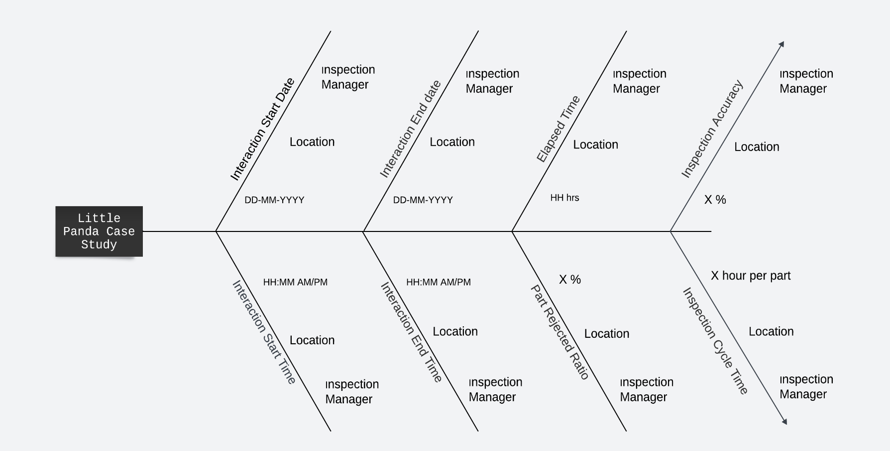
 |  | Interaction End Date | The date when the parts inspection ends | Date | If the inspection process concludes on February 27, 2024, the Interaction End Date is 2024-02-27.
 |  | Interaction End Time | The time when the parts inspection ends | Time | If the inspection process concludes at 3:00 PM, the Interaction End Time is 3:00 PM.
 |  | Elapsed Time | The Duration of the parts inspection process | No. of Hrs | If the inspection process starts at 10:00 AM and ends at 3:00 PM, the Elapsed Time is 5 hours
 |  | Parts Rejected Ratio | The quantity ratio of parts that are "NOT OKAY" | Number of parts "NOT OKAY" and the total number of inpected parts | If 20 parts are found "NOT OK" out of 100 inspected, the Parts Rejected Ratio is 20%.
 |  | Inspection Accuracy | The metric for measuring the accuracy of the inspection process in categorizing parts correctly. | Number of parts that are "OK or "NOT OKAY" | If 80 parts are correctly categorized as "OK" out of 100 inspected, the Inspection Accuracy is 80%.
 |  | Inspection Cycle Time | The calculation of time taken to inspect each part | Total inspection time and the number of parts inspected | If it takes 1 hour to inspect 100 parts, the Inspection Cycle Time is 1 hour per part.

